Small Value
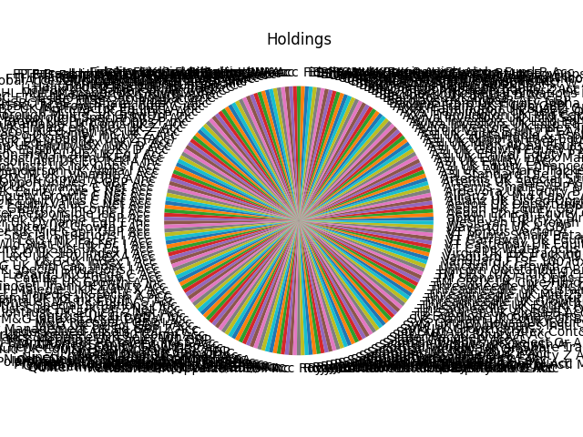
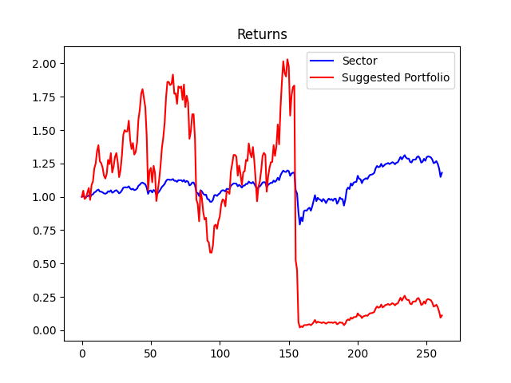
Strategy | Weight
abrdn UK Equity X SInc GBP | 3.0%
Aegon Ethical Equity GBP B Acc | 3.0%
Aegon UK Equity GBP B Acc | 3.0%
Aegon UK Opportunities GBP B Acc | 3.0%
Allianz UK Listed Opports C Acc GBP | 3.0%
Allianz UK Mid Cap C Acc | 3.0%
Ardevora UK Equity B GBP Acc | 3.0%
Artemis SmartGARP UK Eq Fd I Acc GBP | 3.0%
Artemis UK Select I Acc | 3.0%
Artemis UK Special Situations I Acc | 3.0%
ASI Standard Life UK Eq Gen Tr B InstAcc | 3.0%
ASI UK All Share Tracker C Acc | 3.0%
ASI UK Equity Enhanced Index B Acc | 3.0%
ASI UK Equity I Acc | 3.0%
ASI UK Equity Index Managed B Acc | 3.0%
ASI UK Ethical Equity P1 Acc | 3.0%
ASI UK Growth Equity P1 Acc | 3.0%
ASI UK High Alpha Equity P1 Acc | 3.0%
ASI UK Mid-Cap Equity I Acc | 3.0%
ASI UK Opportunities Equity P1 Acc | 3.0%
ASI UK Sustainable & Rspnb Invmt Eq IAcc | 3.0%
ASI UK Value Equity P1 Acc | 3.0%
Aviva Investors UK Index Tracking 2 £Inc | 3.0%
Aviva Investors UK Lstd Eq Hi Alp2GBPAcc | 3.0%
Aviva Investors UK Lstd Eq Uncons2GBPAcc | 3.0%
Aviva Investors UK Lstd S&M Cap2 GBP Acc | 3.0%
AXA Framlington UK Mid Cap Z GBP Acc | 3.0%
AXA Framlington UK Select Opps ZI Acc | 3.0%
AXA Framlington UK Sust Z GBP Acc | 3.0%
AXAWF Fram UK F Cap GBP | 3.0%
Baillie Gifford UK Equity Alpha B Acc | 3.0%
Barclays UK Alpha R Acc GBP | 3.0%
BlackRock UK D Acc | 3.0%
BlackRock UK Equity D Acc | 3.0%
BlackRock UK Special Situations D Acc | 3.0%
BMO FTSE All-Share Tracker 2 Inc | 3.0%
BMO Responsible UK Equity 2 Acc | 3.0%
BMO Select UK Equity 2 Acc | 3.0%
BMO UK Mid-Cap C Acc | 3.0%
BNY Mellon Sust UK Opports Inst W Acc | 3.0%
BNY Mellon UK Equity Inst W Acc | 3.0%
CFP SDL Free Spirit General Acc | 3.0%
CFP SDL UK Buffettology General Income | 3.0%
Consistent Opportunities Unit Trust Inc | 3.0%
Dimensional UK Core Equity GBP Acc | 3.0%
Dimensional UK Value GBP Acc | 3.0%
EdenTree Responsible & Sust UK Eq Opps B | 3.0%
EdenTree UK Equity Cls B Inc | 3.0%
ES R&M UK Dynamic Equity B Acc | 3.0%
ES R&M UK Equity High Alpha Fund B Acc | 3.0%
ES R&M UK Recovery B Inc | 3.0%
Fidelity Index UK P Acc | 3.0%
Fidelity Instl UK Acc | 3.0%
Fidelity Special Situations W Acc | 3.0%
Fidelity UK Opportunities W Acc | 3.0%
Fidelity UK Select W Acc | 3.0%
FP Octopus UK Equity B Acc | 3.0%
FP Russell Invsmts UK Growth Assts C Acc | 3.0%
FTF Franklin Systematic UK Equity X Acc | 3.0%
FTF Franklin UK Managers' Foc W Acc | 3.0%
FTF Franklin UK Mid Cap W Acc | 3.0%
FTF Franklin UK Opportunities W Acc | 3.0%
FTF Franklin UK Rising Dividends W Acc | 3.0%
GlobalAccess UK Opportunities M Acc GBP | 3.0%
GVQ Opportunities A GBP Inc | 3.0%
GVQ UK Focus I GBP Inc | 3.0%
Halifax Special Situations C | 3.0%
Halifax UK FTSE 100 Idx Track C | 3.0%
Halifax UK FTSE AllSh Idx Track C | 3.0%
Halifax UK Growth C | 3.0%
HL Multi-Manager UK Growth A Acc | 3.0%
HL Select UK Growth A Acc | 3.0%
HSBC FTSE 100 Index Accumulation C | 3.0%
HSBC FTSE 250 Index C Acc | 3.0%
HSBC FTSE All Share Index C Acc | 3.0%
HSBC UK Growth & Income C Acc | 3.0%
HSBC UK Multi-Factor Eq Instl A Inc | 3.0%
IFSL CAF UK Equity A Acc | 3.0%
IFSL Marlborough Multi-Cap Growth P Inc | 3.0%
IFSL Marlborough Special Sits P Acc | 3.0%
IFSL RC Brown UK Primary Opps P Inc | 3.0%
Invesco Sustainable UK Coms UK Z Acc | 3.0%
Invesco UK Enhanced Index UK Z Acc | 3.0%
Invesco UK Eq High Inc UK Z Acc | 3.0%
Invesco UK Equity Inc UK Z Acc | 3.0%
Invesco UK Opports (UK) Z (Acc) | 3.0%
iShares 100 UK Equity Index (UK) D Acc | 3.0%
iShares Mid Cap UK Equity Idx (UK) D Acc | 3.0%
iShares UK Equity Index (UK) D Acc | 3.0%
Janus Henderson Instl Hi Alp UK Eq I Acc | 3.0%
Janus Henderson Instl MainstrmUKEq I Acc | 3.0%
Janus Henderson Instl UK Eq Trck A Inc | 3.0%
Janus Henderson Instl UK Idx Opps I Acc | 3.0%
Janus Henderson UK Alpha I Acc | 3.0%
JOHCM UK Dynamic A Acc | 3.0%
JOHCM UK Growth GBP A Inc | 3.0%
JOHCM UK Opportunities A GBP Acc | 3.0%
JPM UK Dynamic C Net Acc | 3.0%
JPM UK Equity Core E Net Acc | 3.0%
JPM UK Equity Growth C Net Acc | 3.0%
JPM UK Equity Plus C Net Acc | 3.0%
JPM UK Equity Value C Net Acc | 3.0%
Jupiter Growth & Income I Acc | 3.0%
Jupiter Responsible Inc I Acc | 3.0%
Jupiter UK Alpha I GBP Acc | 3.0%
Jupiter UK Dynamic Eq I £ Inc | 3.0%
Jupiter UK Growth I Acc | 3.0%
Jupiter UK Mid Cap I GBP Acc | 3.0%
Jupiter UK Special Situations I Acc | 3.0%
L&G (N) Tracker I Acc | 3.0%
L&G Future Wld Sust UK Eq Foc I Acc | 3.0%
L&G Future Wld Sust UK Eq I Acc | 3.0%
L&G UK 100 Index I Acc | 3.0%
L&G UK 350 Index A Acc | 3.0%
L&G UK Index I Acc | 3.0%
L&G UK Mid Cap Index I Acc | 3.0%
L&G UK Special Situations I Acc | 3.0%
Lazard UK Omega C Acc | 3.0%
LF Canlife UK Equity C Acc | 3.0%
LF IM UK Growth A Inc | 3.0%
LF Lindsell Train UK Equity Acc | 3.0%
LF Majedie UK Equity X Acc | 3.0%
LF Majedie UK Focus X Acc | 3.0%
LF Purisima UK Total Return A PCG | 3.0%
Liontrust MA UK Equity S Acc | 3.0%
Liontrust Special Situations I Inc | 3.0%
Liontrust Sust Fut UK Gr 2 Net Acc | 3.0%
Liontrust UK Ethical 2 Net Acc | 3.0%
Liontrust UK Growth I Inc | 3.0%
M&G Index Tracker GBP A Acc | 3.0%
M&G Recovery GBP I Acc | 3.0%
M&G UK Select GBP I Acc | 3.0%
Majedie Asset Management UK Eq GBP Z Acc | 3.0%
Man GLG Undervalued Assets Profl Acc C | 3.0%
Marks & Spencer UK 100 Comp Acc | 3.0%
Marks & Spencer UK Selection Acc | 3.0%
MFS Meridian UK Equity W1 GBP | 3.0%
MI Brompton UK Recovery Trust Acc | 3.0%
MI Charles Stanley Equity A Acc | 3.0%
MI Chelverton UK Equity Growth B Acc | 3.0%
Mirabaud UK Equity High Alpha A GBP Acc | 3.0%
Montanaro UK Income GBP | 3.0%
NFU Mutual UK Growth C | 3.0%
Ninety One UK Alpha I Inc | 3.0%
Ninety One UK Equity Income I Acc | 3.0%
Ninety One UK Special Situations I Acc | 3.0%
OneFamily Stockmarket 100 Trust RA | 3.0%
Polar Capital UK Value Opports I GBP Acc | 3.0%
Premier Miton Responsible UK Eq C Inc | 3.0%
Premier Miton UK GrC Inc | 3.0%
Premier Miton UK Value Opps B Instl Acc | 3.0%
Quilter Inv UK Eq Opports U2 (GBP) Acc | 3.0%
Quilter Investors Equity 1 A (GBP) Acc | 3.0%
Quilter Investors UK Eq Gr U2 (GBP) Acc | 3.0%
Quilter Investors UK Eq Idx U2 (GBP) Acc | 3.0%
Rathbone UK Opportunities I Inc | 3.0%
Redwheel UK Value R GBP Acc | 3.0%
Royal London Sustainable Leaders C Acc | 3.0%
Royal London UK All Share Tracker Z Acc | 3.0%
Royal London UK Core Equity Tilt Z Acc | 3.0%
Royal London UK Dividend Growth M | 3.0%
Royal London UK Equity M Acc | 3.0%
Royal London UK FTSE4Good Tracker | 3.0%
Royal London UK Growth | 3.0%
Royal London UK Mid-Cap Growth Instl M | 3.0%
Royal London UK Opportunities M Acc | 3.0%
Sanlam Active UK A GBP | 3.0%
Santander UK Equities A | 3.0%
Santander UK Growth RA Acc | 3.0%
Schroder Prime UK Equity I Acc | 3.0%
Schroder Recovery Z Acc | 3.0%
Schroder Sustainable UK Equity Z Acc | 3.0%
Schroder UK Alpha Plus Z Acc | 3.0%
Schroder UK Mid 250 Z Acc | 3.0%
Scottish Friendly UK Growth | 3.0%
Scottish Widows UK All Share Track I Acc | 3.0%
Scottish Widows UK Growth A | 3.0%
Scottish Widows UK Select Gr A | 3.0%
Slater Growth P Acc | 3.0%
Slater Recovery P Acc | 3.0%
SPW MM UK Equity A Acc | 3.0%
Stt Strt AUT UK Scrn(ex Cont&CW)Idx Eq | 3.0%
SVM UK Growth Instl | 3.0%
SVM UK Opportunities Instl | 3.0%
SVS Church House UK Equity Growth A Acc | 3.0%
SVS Sanlam UK Equity Gr B Inc | 3.0%
TB Evenlode Income B Inc | 3.0%
TB Saracen UK Alpha B Acc | 3.0%
Threadneedle UK Equity Opps Z Inc GBP | 3.0%
Threadneedle UK Extnd Alpha Ins Acc GBP | 3.0%
Threadneedle UK Growth & Inc Z Inc | 3.0%
Threadneedle UK Institutional Ins Acc | 3.0%
Threadneedle UK Mid 250 Z Acc GBP | 3.0%
Threadneedle UK Sustainable Eq Z Acc | 3.0%
Threadneedle UK Z Inc GBP | 3.0%
TM CRUX UK Core Fund B Inc | 3.0%
TM Stonehg Flm Opps B Inc | 3.0%
TM UBS (UK) - UK Eq C Acc | 3.0%
Unicorn Outstanding British Co Instl | 3.0%
Unicorn UK Growth A | 3.0%
Vanguard FTSE 100 Idx Unit Tr £ Acc | 3.0%
Vanguard FTSE UK All Shr Idx Unit Tr£Acc | 3.0%
Virgin UK Idx Tracking Trust | 3.0%
VT Cape Wrath Focus GBP A Net Acc | 3.0%
VT Castlebay UK Equity A Accumulation | 3.0%
VT Garraway UK Equity Mrkt F GBP net Acc | 3.0%
VT Munro Smart Beta UK A Acc Retail | 3.0%
VT Sorbus Vector A | 3.0%
Waverton UK A GBP | 3.0%
Wesleyan UK Growth X Acc | 3.0%

Portfolio Comparison
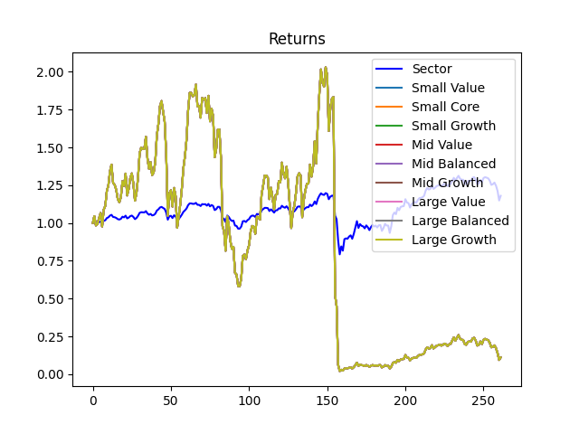
Investment Style | Total Return
Small Value | 0.11%
Small Core | 0.11%
Small Growth | 0.11%
Mid Value | 0.11%
Mid Balanced | 0.11%
Mid Growth | 0.11%
Large Value | 0.11%
Large Balanced | 0.11%
Large Growth | 0.11%

